READ ME - Instructions
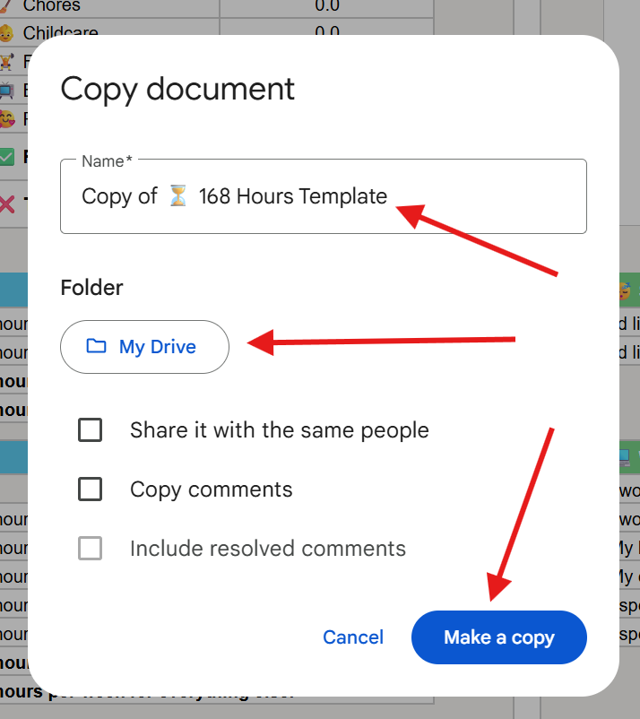
To use this sheet, you first need to make a copy of it. Follow these instructions to make your own copy :)

1. Click on 'File' and then 'Make a copy'
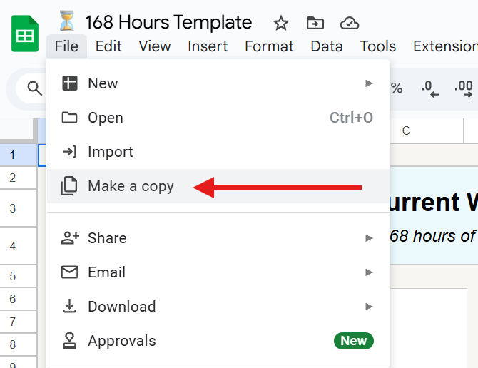

2. Rename your document, select where you want it saved, and then click 'Make a copy'

⏳ 168 Hours Template
👉 Current Week: How do you spend your 168 hours of the week at the moment? |  |  | 168 | 💭 WEEKLY | 🗓️ MONTHLY | 🎊 ANNUALLY | 🌈 Ideal Week: How would you ideally spend your 168 hours of the week? |  |  | 168 | 💭 WEEKLY | 🗓️ MONTHLY | 🎊 ANNUALLY
 |  |  | ⌛️ HOURS USED | 0.0 | 0.0 | 0.0 |  |  |  | ⌛️ HOURS USED | 0.0 | 0.0 | 0.0
 |  |  | ⏳ HOURS FREE | 168.0 | 672.0 | 8,736.0 |  |  |  | ⏳ HOURS FREE | 168.0 | 672.0 | 8,736.0

What does my time split look like by %?
What does my time split look like overall?
What does my ideal time split look like by %?
What does my ideal time split look like overall?
 |  |  |  |  | LIFE AREA | HOURS |  |  |  |  | LIFE AREA | HOURS | VS CURRENT WEEK
 |  |  |  |  | 😴 Sleep | 0.0 |  |  |  |  | 😴 Sleep | 0.0 | 0.0
 |  |  |  |  | 💻 Work | 0.0 |  |  |  |  | 💻 Work | 0.0 | 0.0
 |  |  |  |  | 🍕 Food | 0.0 |  |  |  |  | 🍕 Food | 0.0 | 0.0
 |  |  |  |  | 🧹 Chores | 0.0 |  |  |  |  | 🧹 Chores | 0.0 | 0.0
 |  |  |  |  | 👶 Childcare | 0.0 |  |  |  |  | 👶 Childcare | 0.0 | 0.0
 |  |  |  |  | 🏋️ Fitness | 0.0 |  |  |  |  | 🏋️ Fitness | 0.0 | 0.0
 |  |  |  |  | 📺 Entertainment | 0.0 |  |  |  |  | 📺 Entertainment | 0.0 | 0.0
 |  |  |  |  | 🥰 Relationships | 0.0 |  |  |  |  | 🥰 Relationships | 0.0 | 0.0
 |  |  |  |  | ✅ Free Time | 168.0 |  |  |  |  | ✅ Free Time | 168.0 | 0.0
 |  |  |  |  | ❌ Total Non-Free Time | 0.0 |  |  |  |  | ❌ Total Non-Free Time | 0.0 | 0.0

😴 SLEEP |  |  |  |  |  |  | 😴 SLEEP
I sleep for around | 0 | hours per night. | This means I spend | 0.0 | hours per week sleeping. |  | I'd like to sleep | 0 | hours per night. | This means I spend | 0.0 | hours per week sleeping.
I wind down | 0 | minutes before sleeping. | This means I spend | 0.0 | hours per week preparing to sleep. |  | I'd like to wind down | 0 | minutes before sleeping. | This means I spend | 0.0 | hours per week preparing to sleep.
 |  |  | 😴 In total, I spend | 0.0 | hours per week on sleep-related things. |  |  |  |  | 😴 In total, I spend | 0.0 | hours per week on sleep-related things.
 |  |  | ✅ That leaves me with | 168.0 | hours per week for everything else. |  |  |  |  | ✅ That leaves me with | 168.0 | hours per week for everything else.

💻 WORK |  |  |  |  |  |  | 💻 WORK
I work for around | 0 | hours per day (excluding lunch break). |  |  |  |  | I work for around | 0 | hours per day (excluding lunch break).
I work | 0 | days per week. | This means I spend | 0.0 | hours per week officially working. |  | I work | 0 | days per week. | This means I spend | 0.0 | hours per week officially working.
My lunch break is | 0 | minutes per working day. | This means I spend | 0.0 | hours per week on my lunch break. |  | My lunch break is | 0 | minutes per working day. | This means I spend | 0.0 | hours per week on my lunch break.
My commute is | 0 | minutes each way. | This means I spend | 0.0 | hours per week commuting. |  | My commute is | 0 | minutes each way. | This means I spend | 0.0 | hours per week commuting.
I spend | 0 | minutes per day getting ready for work. | This means I spend | 0.0 | hours per week getting ready for work. |  | I spend | 0 | minutes per day getting ready for work. | This means I spend | 0.0 | hours per week getting ready for work.
I spend | 0 | minutes per day getting changed after work. | This means I spend | 0.0 | hours per week getting changed after work. |  | I spend | 0 | minutes per day getting changed after work. | This means I spend | 0.0 | hours per week getting changed after work.
 |  |  | 💻 In total, I spend | 0.0 | hours per week working. |  |  |  |  | 💻 In total, I spend | 0.0 | hours per week working.
 |  |  | ✅ That leaves me with | 168.0 | hours per week for everything else. |  |  |  |  | ✅ That leaves me with | 168.0 | hours per week for everything else.

🍕 FOOD |  |  |  |  |  |  | 🍕 FOOD
Each day, I spend around | 0 | minutes eating breakfast. |  |  |  |  | Each day, I spend around | 0 | minutes eating breakfast.
And another | 0 | minutes preparing/cooking/ordering it. | This means I spend | 0.0 | minutes per day on breakfast. |  | And another | 0 | minutes preparing/cooking/ordering it. | This means I spend | 0.0 | minutes per day on breakfast.
 |  |  | Which means I spend | 0.0 | hours per week on breakfast. |  |  |  |  | Which means I spend | 0.0 | hours per week on breakfast.
Each non-work day, I spend | 0 | minutes eating lunch. |  |  |  |  | Each non-work day, I spend | 0 | minutes eating lunch.
And another | 0 | minutes preparing/cooking/ordering it. | This means I spend | 0.0 | minutes per day on lunch (excluding work days). |  | And another | 0 | minutes preparing/cooking/ordering it. | This means I spend | 0.0 | minutes per day on lunch (excluding work days).
 |  |  | Which means I spend | 0.0 | hours per week on lunch (excluding work days). |  |  |  |  | Which means I spend | 0.0 | hours per week on lunch (excluding work days).
Each day, I spend around | 0 | minutes eating dinner |  |  |  |  | Each day, I spend around | 0 | minutes eating dinner
And another | 0 | minutes preparing/cooking/ordering it | This means I spend | 0.0 | minutes per day on dinner. |  | And another | 0 | minutes preparing/cooking/ordering it | This means I spend | 0.0 | minutes per day on dinner.
 |  |  | Which means I spend | 0.0 | hours per week on dinner. |  |  |  |  | Which means I spend | 0.0 | hours per week on dinner.
 |  |  | 🍕 In total, I spend | 0.0 | hours per week on cooking +/- eating food. |  |  |  |  | 🍕 In total, I spend | 0.0 | hours per week on cooking +/- eating food.
 |  |  | ✅ That leaves me with | 168.0 | hours per week for everything else. |  |  |  |  | ✅ That leaves me with | 168.0 | hours per week for everything else.

🧹 CHORES |  |  |  |  |  |  | 🧹 CHORES
I do the groceries | 0 | times per week. |  |  |  |  | I do the groceries | 0 | times per week.
Each grocery session takes | 0 | minutes (including travel, loading, unloading etc) | This means I spend | 0.0 | hours per week on groceries. |  | Each grocery session takes | 0 | minutes (including travel, loading, unloading etc) | This means I spend | 0.0 | hours per week on groceries.
I clean the house approx. | 0 | times per week. |  |  |  |  | I clean the house approx. | 0 | times per week.
Each cleaning session takes | 0 | minutes. | This means I spend | 0.0 | hours per week on cleaning. |  | Each cleaning session takes | 0 | minutes. | This means I spend | 0.0 | hours per week on cleaning.
I do laundry | 0 | times per week. |  |  |  |  | I do laundry | 0 | times per week.
Each laundry session takes me | 0 | minutes. | This means I spend | 0.0 | hours per week on laundry. |  | Each laundry session takes me | 0 | minutes. | This means I spend | 0.0 | hours per week on laundry.
I do other misc. chores | 0 | hour(s) per week. |  |  |  |  | I do other misc. chores | 0 | hour(s) per week.
 |  |  | 🧹 In total, that's | 0.0 | hours per week on chores. |  |  |  |  | 🧹 In total, that's | 0.0 | hours per week on chores.
 |  |  | ✅ That leaves me with | 168.0 | hours per week for everything else. |  |  |  |  | ✅ That leaves me with | 168.0 | hours per week for everything else.

👶 CHILDCARE |  |  |  |  |  |  | 👶 CHILDCARE
Each weekday, I spend | 0 | hours actively taking care of my child(ren). | This means I spend | 0.0 | hours on weekdays on childcare. |  | Each weekday, I spend | 0 | hours actively taking care of my child(ren). | This means I spend | 0.0 | hours on weekdays on childcare.
Each weekend, I spend | 0 | hours actively taking care of my child(ren). | This means I spend | 0.0 | hours on weekends on childcare. |  | Each weekend, I spend | 0 | hours actively taking care of my child(ren). | This means I spend | 0.0 | hours on weekends on childcare.
Each week, I spend | 0 | hours on child admin & logistics etc. |  |  |  |  | Each week, I spend | 0 | hours on child admin & logistics etc.
Each week, I spend | 0 | hours on other child-themed stuff. |  |  |  |  | Each week, I spend | 0 | hours on other child-themed stuff.
 |  |  | 👶 In total, that's | 0.0 | hours per week on childcare. |  |  |  |  | 👶 In total, that's | 0.0 | hours per week on childcare.
 |  |  | ✅ That leaves me with | 168.0 | hours per week for everything else. |  |  |  |  | ✅ That leaves me with | 168.0 | hours per week for everything else.

🏋️ FITNESS |  |  |  |  |  |  | 🏋️ FITNESS
Each week, I spend | 0 | hours exercising (including commute time). |  |  |  |  | Each week, I spend | 0 | hours exercising (including commute time).
Each week, I spend | 0 | hours on other fitness-related things. |  |  |  |  | Each week, I spend | 0 | hours on other fitness-related things.
 |  |  | 🏋️ In total, that's | 0.0 | hours per week on fitness-related stuff. |  |  |  |  | 🏋️ In total, that's | 0.0 | hours per week on fitness-related stuff.
 |  |  | ✅ That leaves me with | 168.0 | hours per week for everything else. |  |  |  |  | ✅ That leaves me with | 168.0 | hours per week for everything else.

📺 ENTERTAINMENT |  |  |  |  |  |  | 📺 ENTERTAINMENT
Each week, I spend | 0 | hours watching TV shows / movies. |  |  |  |  | Each week, I spend | 0 | hours watching TV shows / movies.
Each week, I spend | 0 | hours on social media apps. |  |  |  |  | Each week, I spend | 0 | hours on social media apps.
Each week, I spend | 0 | hours reading. |  |  |  |  | Each week, I spend | 0 | hours reading.
Each week, I spend | 0 | hours gaming. |  |  |  |  | Each week, I spend | 0 | hours gaming.
Each week, I spend | 0 | hours on other "entertainment" stuff. |  |  |  |  | Each week, I spend | 0 | hours on other "entertainment" stuff.
 |  |  | 📺 In total, that's | 0.0 | hours per week on entertainment. |  |  |  |  | 📺 In total, that's | 0.0 | hours per week on entertainment.
 |  |  | ✅ That leaves me with | 168.0 | hours per week for everything else. |  |  |  |  | ✅ That leaves me with | 168.0 | hours per week for everything else.

🥰 RELATIONSHIPS |  |  |  |  |  |  | 🥰 RELATIONSHIPS
Each week, I spend | 0 | hours on quality family / partner time. |  |  |  |  | Each week, I spend | 0 | hours on quality family / partner time.
Each week, I spend | 0 | hours on other socialising time. |  |  |  |  | Each week, I spend | 0 | hours on other socialising time.
 |  |  | 🥰 In total, that's | 0.0 | hours per week on relationships. |  |  |  |  | 🥰 In total, that's | 0.0 | hours per week on relationships.
 |  |  | ✅ That leaves me with | 168.0 | hours per week of free time. |  |  |  |  | ✅ That leaves me with | 168.0 | hours per week of free time.

👉 Current Week
👉 Current Week: How do you spend your 168 hours of the week at the moment? |  |  | 168 | 💭 WEEKLY | 🗓️ MONTHLY | 🎊 ANNUALLY
 |  |  | ⌛️ HOURS USED | 0.0 | 0.0 | 0.0
 |  |  | ⏳ HOURS FREE | 168.0 | 672.0 | 8,736.0

What does my time split look like by %?
What does my time split look like overall?
 |  |  |  |  | LIFE AREA | HOURS
 |  |  |  |  | 😴 Sleep | 0.0
 |  |  |  |  | 💻 Work | 0.0
 |  |  |  |  | 🍕 Food | 0.0
 |  |  |  |  | 🧹 Chores | 0.0
 |  |  |  |  | 👶 Childcare | 0.0
 |  |  |  |  | 🏋️ Fitness | 0.0
 |  |  |  |  | 📺 Entertainment | 0.0
 |  |  |  |  | 🥰 Relationships | 0.0
 |  |  |  |  | ✅ Free Time | 168.0
 |  |  |  |  | ❌ Total Non-Free Time | 0.0

😴 SLEEP
I aim to sleep for around | 0 | hours per night. | This means I spend | 0.0 | hours per week sleeping.
I wind down | 0 | minutes before sleeping. | This means I spend | 0.0 | hours per week preparing to sleep.
 |  |  | 😴 In total, I spend | 0.0 | hours per week on sleep-related things.
 |  |  | ✅ That leaves me with | 168.0 | hours per week for everything else.

💻 WORK
I work for around | 0 | hours per day (excluding lunch break).
I work | 0 | days per week. | This means I spend | 0.0 | hours per week officially working.
My lunch break is | 0 | minutes per working day. | This means I spend | 0.0 | hours per week on my lunch break.
My commute is | 0 | minutes each way. | This means I spend | 0.0 | hours per week commuting.
I spend | 0 | minutes per day getting ready for work. | This means I spend | 0.0 | hours per week getting ready for work.
I spend | 0 | minutes per day getting changed after work. | This means I spend | 0.0 | hours per week getting changed after work.
 |  |  | 💻 In total, I spend | 0.0 | hours per week working.
 |  |  | ✅ That leaves me with | 168.0 | hours per week for everything else.

🍕 FOOD
Each day, I spend around | 0 | minutes eating breakfast.
And another | 0 | minutes preparing/cooking/ordering it. | This means I spend | 0.0 | minutes per day on breakfast.
 |  |  | Which means I spend | 0.0 | hours per week on breakfast.
Each non-work day, I spend | 0 | minutes eating lunch.
And another | 0 | minutes preparing/cooking/ordering it. | This means I spend | 0.0 | minutes per day on lunch (excluding work days).
 |  |  | Which means I spend | 0.0 | hours per week on lunch (excluding work days).
Each day, I spend around | 0 | minutes eating dinner
And another | 0 | minutes preparing/cooking/ordering it | This means I spend | 0.0 | minutes per day on dinner.
 |  |  | Which means I spend | 0.0 | hours per week on dinner.
 |  |  | 🍕 In total, I spend | 0.0 | hours per week on cooking +/- eating food.
 |  |  | ✅ That leaves me with | 168.0 | hours per week for everything else.

🧹 CHORES
I do the groceries | 0 | times per week.
Each grocery session takes | 0 | minutes (including travel, loading, unloading etc) | This means I spend | 0.0 | hours per week on groceries.
I clean the house approx. | 1 | times per week.
Each cleaning session takes | 0 | minutes. | This means I spend | 0.0 | hours per week on cleaning.
I do laundry | 0 | times per week.
Each laundry session takes me | 0 | minutes. | This means I spend | 0.0 | hours per week on laundry.
I do other misc. chores | 0 | hour(s) per week.
 |  |  | 🧹 In total, that's | 0.0 | hours per week on chores.
 |  |  | ✅ That leaves me with | 168.0 | hours per week for everything else.

👶 CHILDCARE
Each weekday, I spend | 0 | hours actively taking care of my child(ren). | This means I spend | 0.0 | hours on weekdays on childcare.
Each weekend, I spend | 0 | hours actively taking care of my child(ren). | This means I spend | 0.0 | hours on weekends on childcare.
Each week, I spend | 0 | hours on child admin & logistics etc.
Each week, I spend | 0 | hours on other child-themed stuff.
 |  |  | 👶 In total, that's | 0.0 | hours per week on childcare.
 |  |  | ✅ That leaves me with | 168.0 | hours per week for everything else.

🏋️ FITNESS
Each week, I spend | 0 | hours exercising (including commute time).
Each week, I spend | 0 | hours on other fitness-related things.
 |  |  | 🏋️ In total, that's | 0.0 | hours per week on fitness-related stuff.
 |  |  | ✅ That leaves me with | 168.0 | hours per week for everything else.

📺 ENTERTAINMENT
Each week, I spend | 0 | hours watching TV shows / movies.
Each week, I spend | 0 | hours on social media apps.
Each week, I spend | 0 | hours reading.
Each week, I spend | 0 | hours gaming.
Each week, I spend | 0 | hours on other "entertainment" stuff.
 |  |  | 📺 In total, that's | 0.0 | hours per week on entertainment.
 |  |  | ✅ That leaves me with | 168.0 | hours per week for everything else.

🥰 RELATIONSHIPS
Each week, I spend | 0 | hours on quality family / partner time.
Each week, I spend | 0 | hours on other socialising time.
 |  |  | 🥰 In total, that's | 0.0 | hours per week on relationships.
 |  |  | ✅ That leaves me with | 168.0 | hours per week of free time.

🌈 Ideal Week
🌈 Ideal Week: How would you ideally spend your 168 hours of the week? |  |  | 168 | 💭 WEEKLY | 🗓️ MONTHLY | 🎊 ANNUALLY
 |  |  | ⌛️ HOURS USED | 0.0 | 0.0 | 0.0
 |  |  | ⏳ HOURS FREE | 168.0 | 672.0 | 8,736.0

What does my ideal time split look like by %?
What does my ideal time split look like overall?
 |  |  |  | LIFE AREA | HOURS | VS CURRENT WEEK
 |  |  |  | 😴 Sleep | 0.0 | 0.0
 |  |  |  | 💻 Work | 0.0 | 0.0
 |  |  |  | 🍕 Food | 0.0 | 0.0
 |  |  |  | 🧹 Chores | 0.0 | 0.0
 |  |  |  | 👶 Childcare | 0.0 | 0.0
 |  |  |  | 🏋️ Fitness | 0.0 | 0.0
 |  |  |  | 📺 Entertainment | 0.0 | 0.0
 |  |  |  | 🥰 Relationships | 0.0 | 0.0
 |  |  |  | ✅ Free Time | 168.0 | 0.0
 |  |  |  | ❌ Total Non-Free Time | 0.0 | 0.0

😴 SLEEP
I'd like to sleep | 0 | hours per night. | This means I spend | 0.0 | hours per week sleeping.
I'd like to wind down | 0 | minutes before sleeping. | This means I spend | 0.0 | hours per week preparing to sleep.
 |  |  | 😴 In total, I spend | 0.0 | hours per week on sleep-related things.
 |  |  | ✅ That leaves me with | 168.0 | hours per week for everything else.

💻 WORK
I work for around | 0 | hours per day (excluding lunch break).
I work | 0 | days per week. | This means I spend | 0.0 | hours per week officially working.
My lunch break is | 0 | minutes per working day. | This means I spend | 0.0 | hours per week on my lunch break.
My commute is | 0 | minutes each way. | This means I spend | 0.0 | hours per week commuting.
I spend | 0 | minutes per day getting ready for work. | This means I spend | 0.0 | hours per week getting ready for work.
I spend | 0 | minutes per day getting changed after work. | This means I spend | 0.0 | hours per week getting changed after work.
 |  |  | 💻 In total, I spend | 0.0 | hours per week working.
 |  |  | ✅ That leaves me with | 168.0 | hours per week for everything else.

🍕 FOOD
Each day, I spend around | 0 | minutes eating breakfast.
And another | 0 | minutes preparing/cooking/ordering it. | This means I spend | 0.0 | minutes per day on breakfast.
 |  |  | Which means I spend | 0.0 | hours per week on breakfast.
Each non-work day, I spend | 0 | minutes eating lunch.
And another | 0 | minutes preparing/cooking/ordering it. | This means I spend | 0.0 | minutes per day on lunch (excluding work days).
 |  |  | Which means I spend | 0.0 | hours per week on lunch (excluding work days).
Each day, I spend around | 0 | minutes eating dinner
And another | 0 | minutes preparing/cooking/ordering it | This means I spend | 0.0 | minutes per day on dinner.
 |  |  | Which means I spend | 0.0 | hours per week on dinner.
 |  |  | 🍕 In total, I spend | 0.0 | hours per week on cooking +/- eating food.
 |  |  | ✅ That leaves me with | 168.0 | hours per week for everything else.

🧹 CHORES
I do the groceries | 0 | times per week.
Each grocery session takes | 0 | minutes (including travel, loading, unloading etc) | This means I spend | 0.0 | hours per week on groceries.
I clean the house approx. | 0 | times per week.
Each cleaning session takes | 0 | minutes. | This means I spend | 0.0 | hours per week on cleaning.
I do laundry | 0 | times per week.
Each laundry session takes me | 0 | minutes. | This means I spend | 0.0 | hours per week on laundry.
I do other misc. chores | 0 | hour(s) per week.
 |  |  | 🧹 In total, that's | 0.0 | hours per week on chores.
 |  |  | ✅ That leaves me with | 168.0 | hours per week for everything else.

👶 CHILDCARE
Each weekday, I spend | 0 | hours actively taking care of my child(ren). | This means I spend | 0.0 | hours on weekdays on childcare.
Each weekend, I spend | 0 | hours actively taking care of my child(ren). | This means I spend | 0.0 | hours on weekends on childcare.
Each week, I spend | 0 | hours on child admin & logistics etc.
Each week, I spend | 0 | hours on other child-themed stuff.
 |  |  | 👶 In total, that's | 0.0 | hours per week on childcare.
 |  |  | ✅ That leaves me with | 168.0 | hours per week for everything else.

🏋️ FITNESS
Each week, I spend | 0 | hours exercising (including commute time).
Each week, I spend | 0 | hours on other fitness-related things.
 |  |  | 🏋️ In total, that's | 0.0 | hours per week on fitness-related stuff.
 |  |  | ✅ That leaves me with | 168.0 | hours per week for everything else.

📺 ENTERTAINMENT
Each week, I spend | 0 | hours watching TV shows / movies.
Each week, I spend | 0 | hours on social media apps.
Each week, I spend | 0 | hours reading.
Each week, I spend | 0 | hours gaming.
Each week, I spend | 0 | hours on other "entertainment" stuff.
 |  |  | 📺 In total, that's | 0.0 | hours per week on entertainment.
 |  |  | ✅ That leaves me with | 168.0 | hours per week for everything else.

🥰 RELATIONSHIPS
Each week, I spend | 0 | hours on quality family / partner time.
Each week, I spend | 0 | hours on other socialising time.
 |  |  | 🥰 In total, that's | 0.0 | hours per week on relationships.
 |  |  | ✅ That leaves me with | 168.0 | hours per week of free time.

